BOM PENGAJUAN
 |  | LOGO BLIBLI WALL CAHIER MASKOT H463MM |  | 0293-3

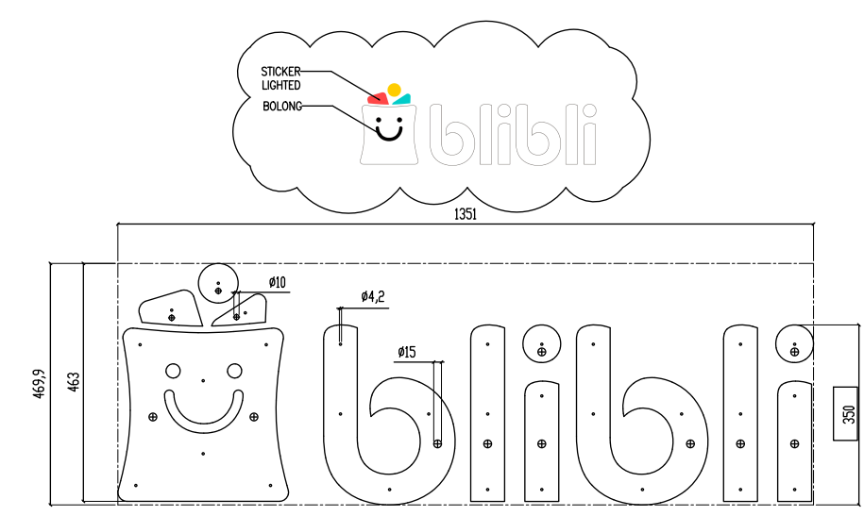
 |  | 332x463x50mm |  | Kode Product
 |  | PT. SINERGI INTERIOR PROJECT |  | 1 | UNT
I | ID BARANG | MATERIAL PLAT & PROFIL | QTY/UNIT | T. QTY | SATUAN | KET | GAMBAR BARANG
1 | 1393 | Plat SS 304 HL 1,2x1220x3050mm | 0.05 | 0.05 | LBR | 0.4
2 | 1392 | Plat SS 304 HL 0,8x1220x3050mm | 0.042 | 0.042 | LBR | 0.042
3 |  | #N/A |  | 0 | #N/A
II | ID BARANG | MATERIAL ACRYLIC & KAYU | QTY/UNIT |  | SATUAN | KET
1 | 1016 | Acrylic Milky AM 4320 6x1220x2440mm | 0.15 | 0.15 | LBR
2 |  | ACRYLIC MILKY MC 432 5x1220x2440mm | 0.005 | 0.005 | LBR
3 |  | ACRYLIC YELLOW MC 235 3X1220X2440mm | 0.01 | 0.01 | LBR | DOUBLE ACRY
4 |  | ACRYLIC RED MC 135 3X1220X2440mm | 0.01 | 0.01 | LBR | DOUBLE ACRY
III | ID BARANG | ACCESORIES | QTY/UNIT |  | SATUAN | KET
1 | 1110 | Baut Hexa SS M4x30 | 9 | 9 | PCS
2 | 1362 | MUR SS M4 | 9 | 9 | PCS
3 | 1406 | Ring Plat M4 | 9 | 9 | PCS
4 | 1276 | Led Rol Indoor Type S EPISTAR 2835 CW @5meter | 1 | 1 | ROLL
5 | 1241 | Kabel Supreme NYMHY 2x0,75mm @50 mtr Hitam | 12.5 | 12.5 | MTR
6 | 1023 | Adaptor Talled 10A 12V Slim | 1 | 1 | PCS
7 | 1240 | KABEL SERABUT MERAH-HITAM AWG KECIL | 1 | 1 | MTR
8 | 1292 | Lem Epotec | 1 | 1 | BTL
9 | 1426 | SEALANT NEUTRAL WHITE | 0.1 | 0.1 | BTL
11 | 1425 | SEALANT NEUTRAL CLEAR | 0.1 | 0.1 | BTL
12 | 1263 | Lakban Kertas 1" | 1 | 1 | ROLL
13 | 1078 | AMPLAS NIKEN 400 | 1 | 1 | LBR
14 | 1073 | Amplas Merah 150 | 1 | 1 | MTR
15 | 1077 | AMPLAS NIKEN 1000 | 1 | 1 | LBR
17 | 1588 | Scotch Brite Grit 400 6"x9" | 1 | 1 | PCS
18 | 1244 | Kabel Tis 15cm / @ 50pcs | 5 | 5 | PCS
16 | 1250 | Karet Bakar 3mm | 0.5 | 0.5 | MTR
IV | ID BARANG | FINISHING | QTY/UNIT |  | SATUAN | KET
1 | 1187 | Propan PUC 786 White Gloss @1 liter | 0.1196 | 0.1196 | LTR
2 | 1447 | Thinner Polyurethane Propan 5 Liter | 0.2392 | 0.2392 | LTR
3 |  | STICKER ORACAL 8500-066 TOSCA | 0.05 | 0.05 | MTR | DOUBLE LUAR DALAM | 250X150MM | LEBAR BAHAN 900X1000
6 |  | #N/A |  | 0 | #N/A
V | ID BARANG | PACKAGING | QTY/UNIT |  | SATUAN | KET
1 | 1249 | Double Wall 66x66x13 (Kardus) | 1 | 1 | BOX
2 | 1262 | Lakban Full Blok Putih Susu 48mmx54m | 0.05 | 0.05 | ROLL
3 | 1046 | Foam Sheet Tebal 2cm 100 cm x 25 meter | 0.05 | 0.05 | ROLL
4 |  | GUIDE PAPER | 1 | 1 | UNT
5

 | DIBUAT
 | DISETUJUI

